Module 1
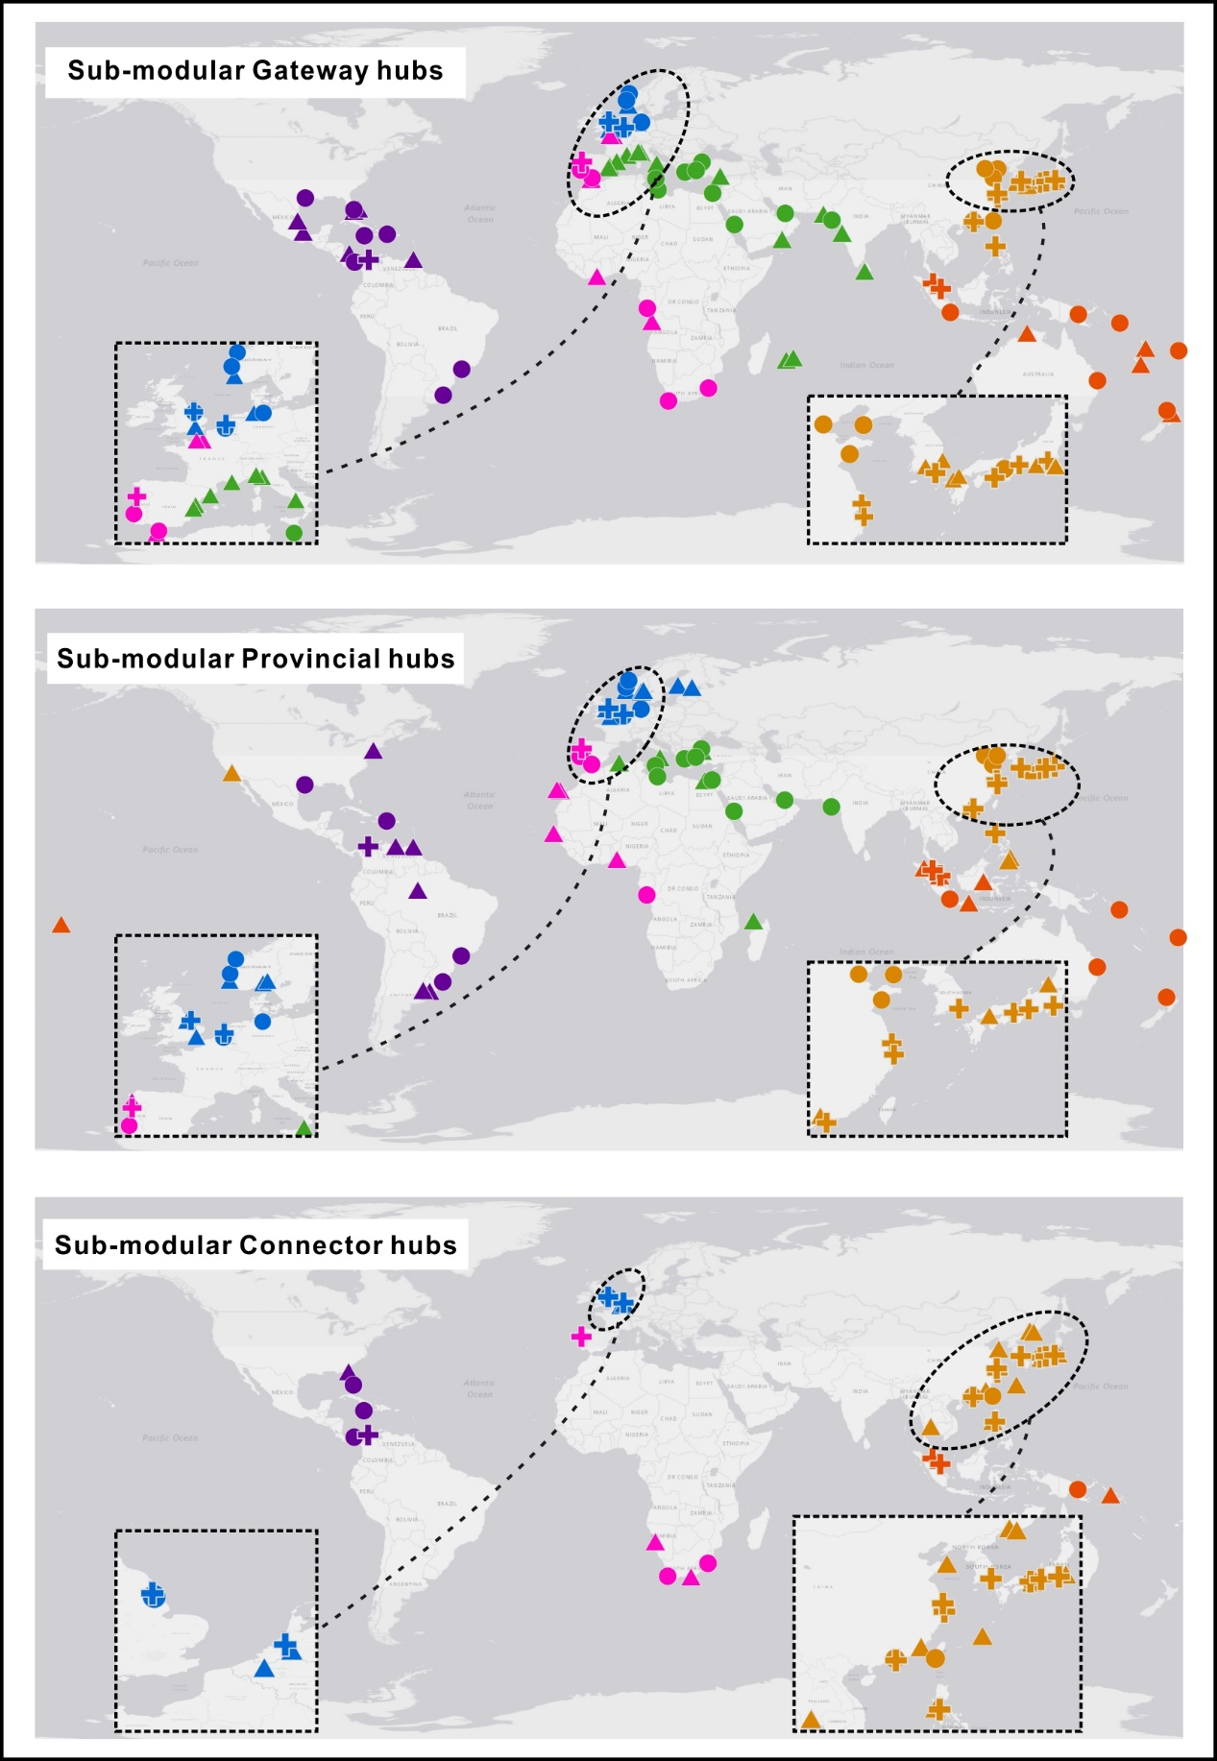
Port | Sub-community number | Role | Outside-submodule degree, B | Inside-submodule degree, Z | Modular participation coefficient, P
Cartagena (Col) | 3 | ✚ | 3.2637 | 1.7065 | 0.7149
Port Everglades | 5 | ● | 3.5106 | 1.3271 | 0.7208
Kingston (Jamaica) | 5 | ● | 2.9931 | 1.4756 | 0.7235
Manzanillo (Pan) | 3 | ● | 2.6238 | 1.4716 | 0.704
Houston | 3 | ● | 2.2582 | 1.8239 | 0.6738
Santos | 4 | ● | 1.8647 | 1.516 | 0.5804
Caucedo | 3 | ● | 1.6184 | 1.589 | 0.6529
Rio Grande (Brazil) | 4 | ● | 1.6139 | 1.516 | 0.56
Freeport (Bah) | 2 | ▲ | 3.51 | 0.4709 | 0.6757
Miami | 2 | ▲ | 3.2739 | 0.9511 | 0.6538
Altamira | 4 | ▲ | 2.7426 | 0.4129 | 0.6815
Veracruz | 4 | ▲ | 2.4918 | 0.4129 | 0.6966
Port of Spain | 2 | ▲ | 2.4475 | 1.0472 | 0.6283
San Andres | 1 | ▲ | 1.5 | -- | 0.6939
Jacksonville | 5 | ▲ | 1.3757 | 0.4366 | 0.7259
Buenos Aires | 4 | ▲ | 1.1122 | 1.516 | 0.5366
NewYork-NewJersey | 3 | ▲ | 0.9786 | 1.589 | 0.6087
Montevideo | 4 | ▲ | 0.6106 | 1.7611 | 0.4536
Point Lisas | 5 | ▲ | 0.47 | 1.7724 | 0.5592
La Guaira | 5 | ▲ | 0.2112 | 1.624 | 0.5617
Manaus | 4 | ▲ | -0.1419 | 1.6386 | 0.3223

